Sheet1
INSTRUMENTS | Mass (kg) | Power (W) | Cost | Data Rate | TOTAL COST OF ROVER (everything, including rocket | TOTAL COST OF ROCKET AND FUEL
Command and Data System | 10 | 20 | 15 | 200000 | 653.5346102 | 181.049212
Wide angle camera | 1 | 3 | 8 | 960000000 | TOTAL MASS OF payload
Scan Platform for Rover | 3.75 | 5 | 3.75 |  | 705.276
Surface GPR | 4 | 10 | 21 | 8000 | REMAINING MONEY | Years to run after landing
Seismometer | 3 | 1 | 8 | 6000000 | 346.46538980 | 17.32326949
Heat flow probe | 20 | 6 | 25 | 5000 | Total Data Generated (second)
Gas chromatograph/mass spectrometer | 20 | 45 | 40 | 200000 | 1.12E+04
Organic molecule detectors (rover) | 3 | 1 | 45 | 100000 | Bits needed to be sent per second (adjusted for optimal vs. realistic data rates, rotation of ceres)
Drill core sampler( 30cm drilling), 10 Drill bits included | 13 | 30 | 12 | 200000 | 1.12E+05
Robotic arm (2 meter long) | 15 | 20 | 45 | 200000 | Data margin for years before mmrtg drops(negative is good)
Color Filters for all cameras | 0 | 0 | 3 |  | -1.907E+06
STRUCTURE
For Rover | 293.9 | 0 | 146.95
TELECOMMUNICATIONS
Amplifier/decoder electronics (rover) | 5 | 0 | 5
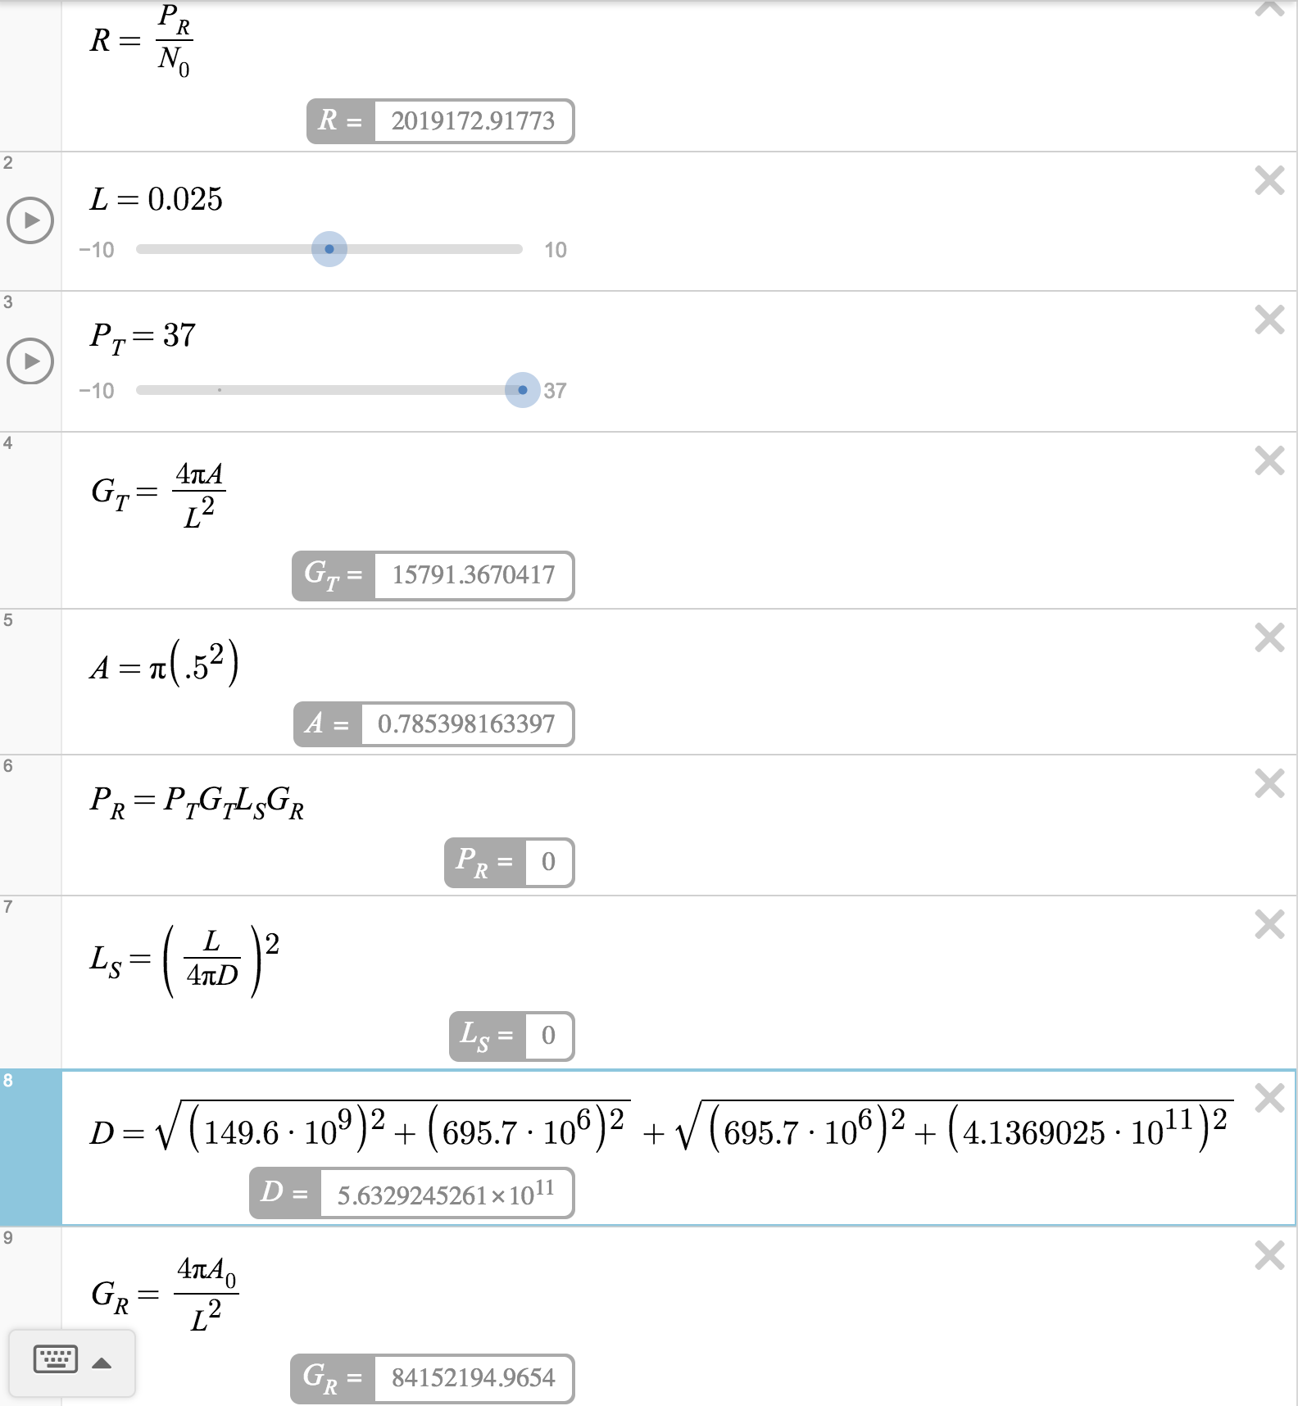
Dish antenna (rover) | 4.2 | 12 | 4.785398163 | -6.55E+05
POWER
1 MMRTG | 45 | -125 | 90
Modes | Power Excess (negative means excess) |  |  |  | 2.019E+06
Mode 1: Science mode | 0
Mode 2: Drilling mode | -10
Mode 3: Observation Mode | -13
Mode 4: Hibernation Mode | -105

Getting the Rover down from orbit
Monopropellant 1 | 27.414 | 3 | 10.032
Monopropellant 2 | 237.012 | 3 | 89.247212

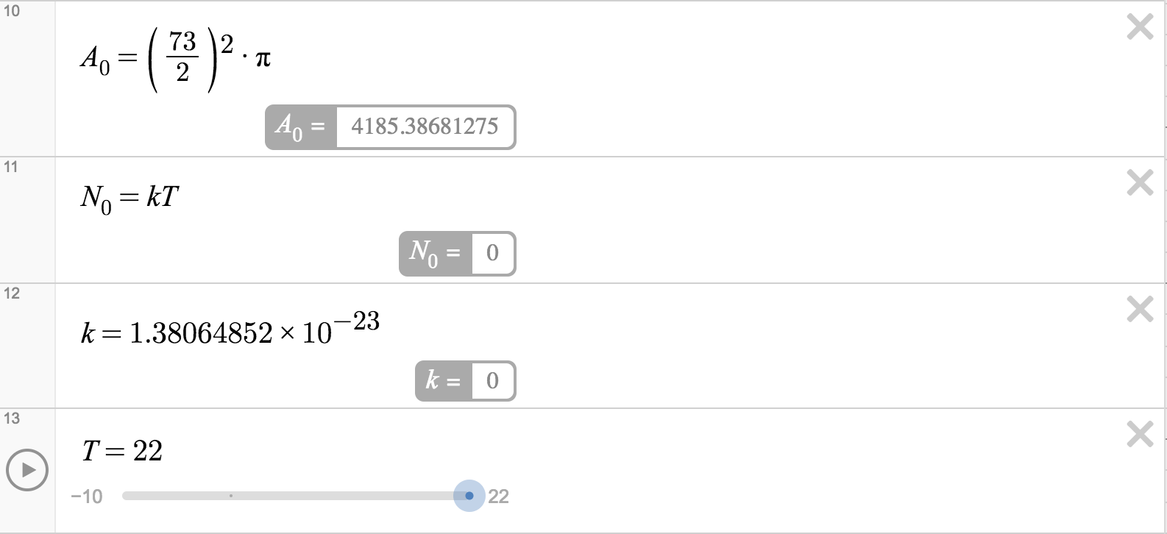
Rocket (falcon IX) |  |  | 62
Operations |  |  | 19.77

